Indices

 | Iraq Stock Exchange
 | Bulletin No (22)
 | ISX Trading Indices of Wednesday 4/2/2026

 | Traded Volume and OTC |  | 636,251,415 |  | Traded Value and OTC |  | 844,159,510 |  | Traders | 959

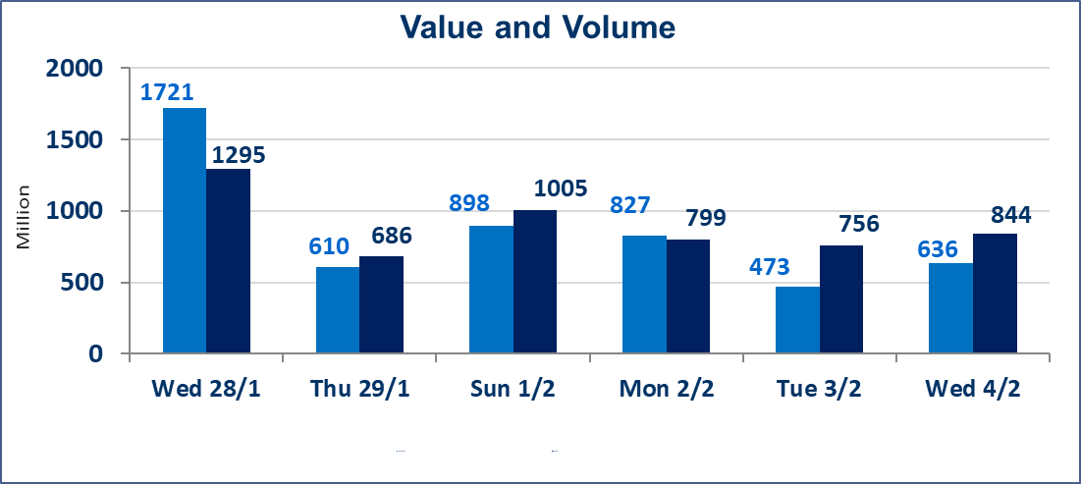
 | ISX Index 60 |  |  | 959.58 | ISX Index 15 |  |  | 1226.66
 | Previous ISX Index60 |  |  | 947.10 | Previous ISX Index15 |  |  | 1212.52
 | Change % |  |  | 1.32 | Change % |  |  | 1.17
 | Change |  |  | 12.48 | Change |  |  | 14.14

 | Listed Companies | 104 | OTC | 14 | Non Traded listed | 45 | OTC | 13
 | Traded Listed Companies | 46 | OTC | 1 | Higher Companies |  |  | 11
 | GAM Companies |  |  | 2 | Lower Companies |  |  | 12
 | Suspended Companies |  |  | 11
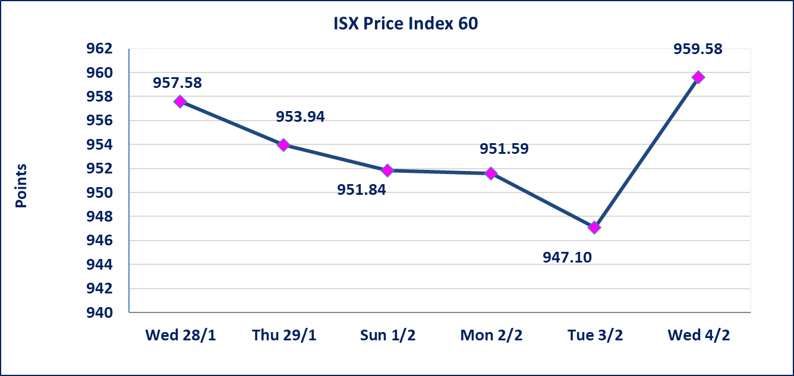
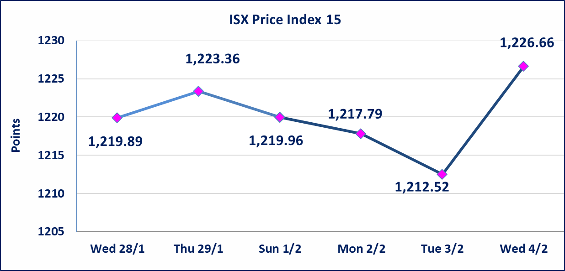

Al-Alwiya P.O . 3607 Mobile: 07711211522 - 07270094594 - 07834000034 E-mail: info-isx@isx-iq.net Web site:www.isx-iq.net

Top 5
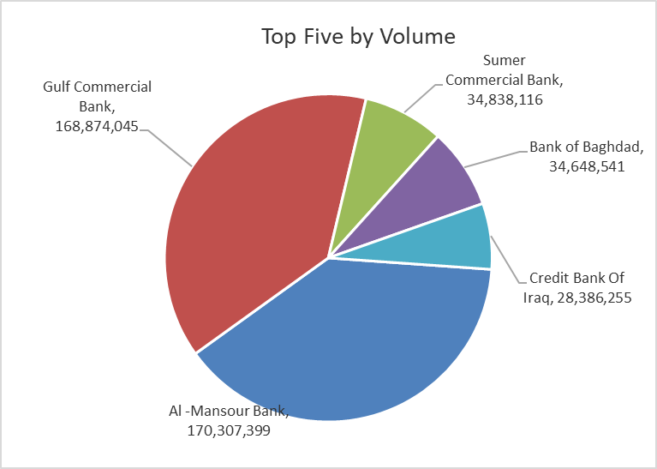
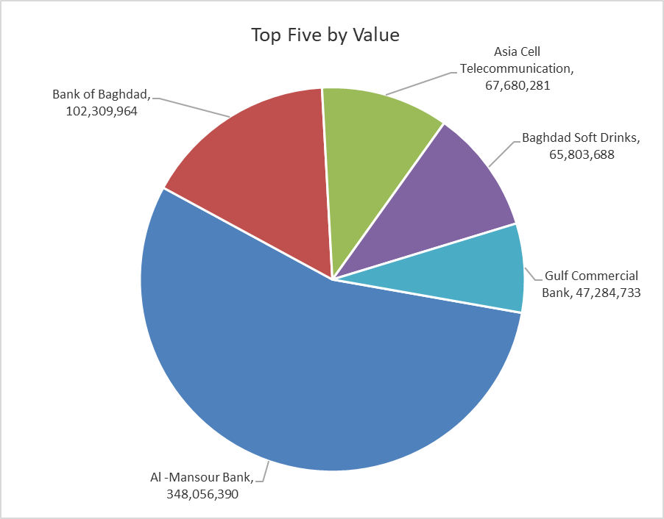

ISX top ganing and losing companies
Wednesday 4/2/2026
 | Gainers |  |  |  | Losers
 | Company Name | Closing Price | Change (%) | Traded Volume | Company Name | Closing Price | Change (%) | Traded Volume
 | Kurdistan International Bank | 1.950 | 11.43 | 12,579,013 | National Furniture Industries | 1.100 | -15.38 | 36,146
 | Bank of Baghdad | 3.070 | 4.78 | 34,648,541 | Al-Ameen Estate Investment | 2.000 | -13.04 | 50,000
 | Economy Bank | 0.240 | 4.35 | 301,160 | Al-Hamraa for Insurance | 2.230 | -9.72 | 13,799
 | Modern Construction Materials | 1.850 | 3.93 | 608,283 | National Chemical &Plastic | 1.900 | -2.56 | 3,171,002
 | Al -Mansour Bank | 2.080 | 2.46 | 170,307,399 | Agricultural Products Meat | 4.500 | -2.17 | 79,895
 | The most active companies in term of traded volume and value

 | Traded Volume |  |  |  | Traded Value
 | Company Name | Closing Price | Change (%) | Traded Volume | Company Name | Closing Price | Change (%) | Traded Value
 | Al -Mansour Bank | 2.080 | 2.46 | 170,307,399 | Al -Mansour Bank | 2.080 | 2.46 | 348,056,390
 | Gulf Commercial Bank | 0.280 | 0.00 | 168,874,045 | Bank of Baghdad | 3.070 | 4.78 | 102,309,964
 | Sumer Commercial Bank | 0.120 | 0.00 | 34,838,116 | Asia Cell Telecommunication | 14.940 | 1.98 | 67,680,281
 | Bank of Baghdad | 3.070 | 4.78 | 34,648,541 | Baghdad Soft Drinks | 5.800 | -0.51 | 65,803,688
 | Credit Bank Of Iraq | 0.590 | 0.00 | 28,386,255 | Gulf Commercial Bank | 0.280 | 0.00 | 47,284,733

Non Iraqis

Iraq Stock Exchange
Non Iraqis' Bulletin Wednesday Feb 4 2026
Regular Market

Non Iraqi Trading of Regular Market (Sell)
Company Names | Code | No.of trades | Traded Shares | Trading Volume
Banks Sector
Bank Of Baghdad | BBOB | 14 | 12,815,402 | 37,916,206
Al-Mansour Bank | BMNS | 11 | 10,000,000 | 20,360,000
Total Bank sector |  | 25 | 22,815,402 | 58,276,206
Industry Sector
Baghdad Soft Drinks | IBSD | 47 | 7,117,138 | 41,289,556
Total Industry sector |  | 47 | 7,117,138 | 41,289,556
Grand Total |  | 72 | 29,932,540 | 99,565,762

Not Trading Bonds

Iraq Stock Exchange
Wednesday 4/2/2026
Not Trading Bonds Bulletin
Bond type | Publish type | Code | last trading price | immortilize date
Banaa Bonds /Million ID | Second | CB20 | 964,981 | 19/12/2025
Eamar Bonds /Million ID | First | CB30 | 1,001,095 | ــــــــــــــــ
Eamar Bonds /Million ID | Second | CB40 | ــــــــــــــــ | ــــــــــــــــ
Eamar Bonds /500 Thousand ID | Third | CB45 | ــــــــــــــــ | ــــــــــــــــ
Eamar Bonds /Million ID | Third | CB50 | ــــــــــــــــ | ــــــــــــــــ
Injaz Bonds /500 Thousand ID | First | CB55 | ــــــــــــــــ | ــــــــــــــــ
Injaz Bonds /Million ID | First | CB60 | ــــــــــــــــ | ــــــــــــــــ
Injaz Bonds /500 Thousand ID | Second | CB65 | 515,047 | ــــــــــــــــ
Injaz Bonds /Million ID | Second | CB70 | 1,026,082 | ــــــــــــــــ
Injaz Bonds /500 Thousand ID | Third | CB75 | ــــــــــــــــ | ــــــــــــــــ
Injaz Bonds /Million ID | Third | CB80 | 978,182 | ــــــــــــــــ
National Bonds/Million ID | First | CB90 | ــــــــــــــــ | ــــــــــــــــ
National Bonds/500 Thousand ID | Second | CB95 | ــــــــــــــــ | ــــــــــــــــ
National Bonds/Million ID | Second | CB100 | ــــــــــــــــ | ــــــــــــــــ

